LLM Rules Architecture
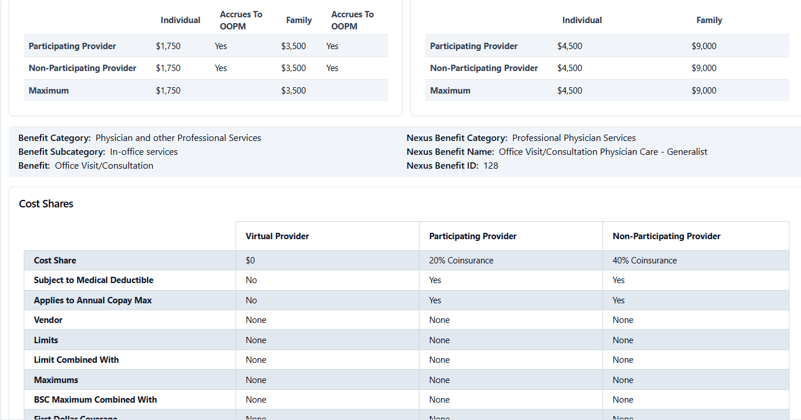
Link to Rule Architecture for Business Scripting |  |  | Purpose
LLM_Rule_Architecture_with_Scripts.xlsx |  |  | Discuss new plan designs that would require changes to the current "scripted" benefit quotes
 |  |  | Identify what data in the JSON or additional data is required for the model to apply scripting instructions accurately
 | PPO with no OON
 | first dollar coverage

 |  | heather?
Product Type | Distinctive Benefits or Network Aspects | Captured already in MVP1 Requirements | Impacts to Conditionals or Ground Truth | Easily recognizably by: (json language in benefit categories or in programs, or elsewhere)
Virtual Blue | more than just "INN" and "OON" for possible cost shares Large Group, Small Business Not Teledoc (transactional, urgent care) Virtual Medical Group x2 (regular care in a virtual environment - general med, speciality care, behavioral health) Virtual Blue Benefit line items PPO Networks, can also be in high deductible Always no charge in the portfolio options (seperate tier?) Custom and ASO does has specified cost share **there will be design changes for 2027** | No | need new ground truth to add any "virtual blue" tier benefit information do we need a note to clarify it's not any virtual provider, but only teladoc? If virtual blue is present for service type, include that structure in the response Response should be able to understand EOC and Virtual Medical Group and determine general, specialty, BH | the JSON data includes reference to "virtual provider"? @kit or @aly where is this or is it just showing up under physicial services visit? "planDesign": "Virtual Plan" **design changes in 2027 will impact the API** https://app-prdsrch-pp-to-bncp-cus-952.azurewebsites.net/api/v2/PPDD/M0042340/20260101
EPO | Fully Insured Large group (unless it meets religious exemption/religious group*) - IVF, fertility treatment, etc Small Business - optional, would be cusomization Follows the plan cost shares; covers the professional services and facility services (i.e. surgical) ASO self funded does not apply for fertility (NOT in scope for MVP2) Does not provided OON coverage except urgent/emergent |  | Consider religious groups for testing, but may not impact general respones in Mira (these would be complex custom, not portfolio - not in scope) Fertility Treamtments need new ground truths? May need to see specific differences (IVF?) | "planStructureType": "EPO",
PPO | Follows EPO, exception: Does cover OON coverage for urgent/emergent with specified cost shares |  | Consider religious groups for testing, but may not impact general respones in Mira (these would be complex custom, not portfolio - not in scope) Fertility Treamtments need new ground truths? May need to see specific differences (IVF?) BlueCard program considerations for Out of State | "planStructureType": "PPO", 2027 will have a new indicator for 2027 for OON
Active Choice
PSP
POS
HMO - Trio | self-referrals?
HMO - Access+
Signature Blue | provider-specific benefit tiers |  | Need scripting that says "depending on the specific provider, your coverage may be different"
PPO Savings | high deductible plans with Rx embedded in the plan.
EPO Savings | high deductible plans with Rx embedded in the plan.
Virtual Blue Different?
No Virtual blue
Custom ASO | ???
Fully Insured
Shared Adv | Out of Scope for Phase 2 |  |  | Out of Scope for Phase 2
Other | Out of Scope for Phase 2 |  |  | Out of Scope for Phase 2
EPS

